Legend
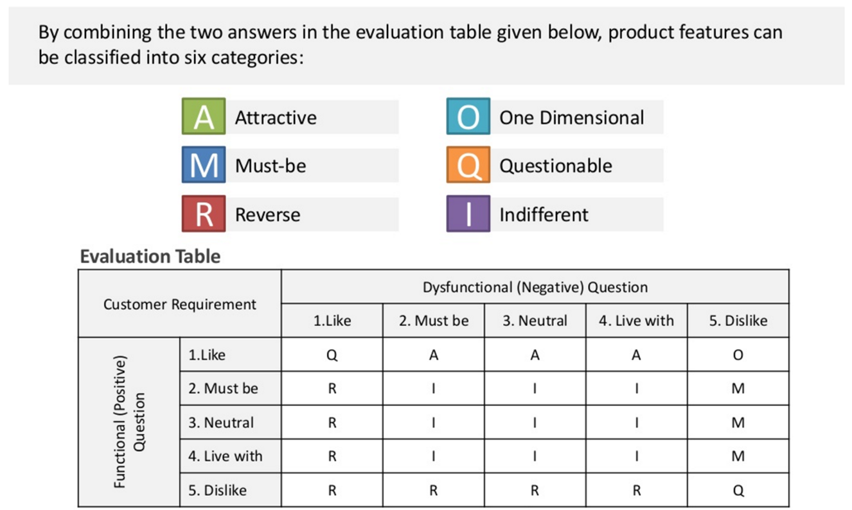
 | Evaluation table - Kano Model
 | Functional | Disfunctional | Results | Letter
 | 1. I like it that way | 1. I like it that way | Questionnable | Q
 | 1. I like it that way | 2. It must be that way | Attractive | A
 | 1. I like it that way | 3. I am neutral | Attractive | A
 | 1. I like it that way | 4. I can live with it that way | Attractive | A
 | 1. I like it that way | 5. I dislike it that way | One Dimensional | O
 | 2. It must be that way | 1. I like it that way | Reverse | R
 | 2. It must be that way | 2. It must be that way | Indifferent | I
 | 2. It must be that way | 3. I am neutral | Indifferent | I
 | 2. It must be that way | 4. I can live with it that way | Indifferent | I
 | 2. It must be that way | 5. I dislike it that way | Must | M
 | 3. I am neutral | 1. I like it that way | Reverse | R
 | 3. I am neutral | 2. It must be that way | Indifferent | I
 | 3. I am neutral | 3. I am neutral | Indifferent | I
 | 3. I am neutral | 4. I can live with it that way | Indifferent | I
 | 3. I am neutral | 5. I dislike it that way | Must | M
 | 4. I can live with it that way | 1. I like it that way | Reverse | R
 | 4. I can live with it that way | 2. It must be that way | Indifferent | I
 | 4. I can live with it that way | 3. I am neutral | Indifferent | I
 | 4. I can live with it that way | 4. I can live with it that way | Indifferent | I
 | 4. I can live with it that way | 5. I dislike it that way | Must | M
 | 5. I dislike it that way | 1. I like it that way | Reverse | R
 | 5. I dislike it that way | 2. It must be that way | Reverse | R
opzoeken | 5. I dislike it that way | 3. I am neutral | Reverse | R
 | 5. I dislike it that way | 4. I can live with it that way | Reverse | R
 | 5. I dislike it that way | 5. I dislike it that way | Questionnable | Q

